Sheet1
Bug ID | Title/Summary | Description | Steps to Reproduce | Expected Result | Actual Result | Severity | Priority | Reporter & Date | Environment | Attachments/References | Test Case ID

BUG-001 | API does not validate invalid email format in getUserDetailByEmail endpoint | The API endpoint getUserDetailByEmail does not validate the email format before searching in the database. When an invalid email format such as fatma.com is sent, the API returns 404 Account not found instead of returning a validation error indicating invalid email format. | 1. Send GET request to https://automationexercise.com/api/getUserDetailByEmail 2. Pass parameter email=fatma.com 3. Click Send | API should validate email format and return HTTP 400 Bad Request with message such as: { "responseCode": 400, "message": "Invalid email format" } | API returned HTTP 404 Not Found with response: { "responseCode": 404, "message": "Account not found with this email, try another email!" } | Major | High | Fatma mostafa ali mostafa | Postman / AutomationExercise API | 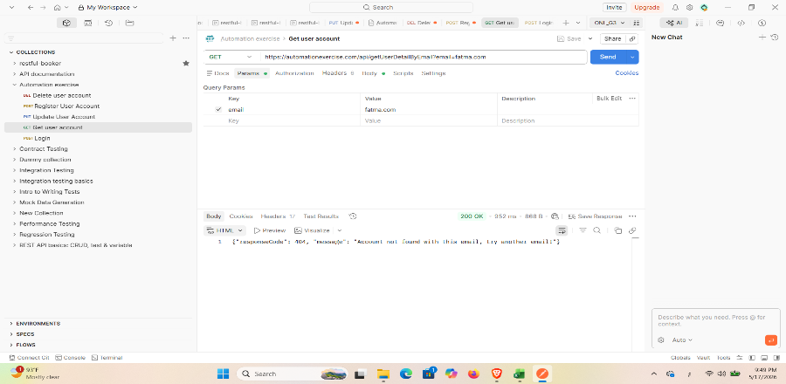 | API-TC-05

